Sheet1
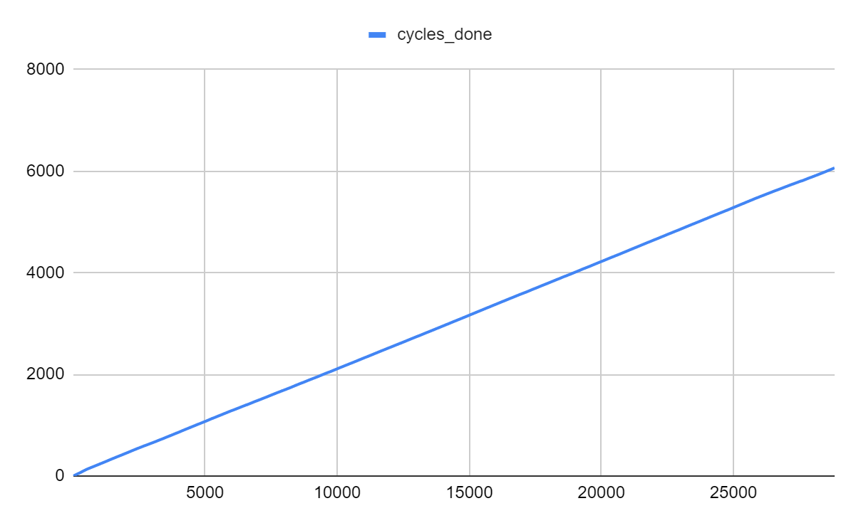
Seconds

Cycles Over Time

